Solver
 |  |  |  |  | Shipping | Total Cost of
 | 1QTR | 2QTR | 3QTR | 4QTR | Per Unit | Shipping
Plant 1: | 1 | 1 | 1 | 1 | $1.25 | $5.00
Plant 2: | 0 | 0 | 0 | 0 | $1.84 | $-
Plant 3: | 0 | 0 | 0 | 0 | $1.45 | $-
Total Units Produced: | 1 | 1 | 1 | 1 |  | $5.00

Warehouse Demands: | 180 | 80 | 190 | 160

To optimize the total shipping costs, the following constraints must be set:
1) Each plant must produce at least 20 units a quarter to justify remaining open.
2) Plant 1 has a maximum capacity of 92 units per quarter; Plant 2 = 45 units max; Plant 3 = 55 units max.
3) The plant production must equal the requirements of the warehouse, since there is short shelf-life.
4) Note that the shipping costs vary because of plant locations and that this is factored in the total cost of shipping.

Data Table
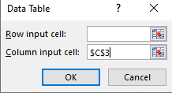
Mortgage Amount: | $220,000
Interest Rate: | 8%
Term in Months: | 300

% Rate | $1,698.00
7.25% | $1,590.18
7.50% | $1,625.78 | Here you can change the value according to the rate %
7.75% | $1,661.72
8.25% | $1,734.59
8.50% | $1,771.50
8.75% | $1,808.72
9.00% | $1,846.23

Scenarios
Region | Q1 | Q2 | Q3 | Q4 | Yearly Total
North | $85,292.25 | $89,556.86 | $94,034.71 | $98,736.44 | $367,620.26
East | $75,891.25 | $78,167.99 | $80,513.03 | $82,928.42 | $317,500.68
West | $90,568.34 | $95,096.76 | $99,851.59 | $104,844.17 | $390,360.87
South | $65,897.25 | $67,874.17 | $69,910.39 | $72,007.70 | $275,689.51
Totals: | $317,649.09 | $330,695.77 | $344,309.72 | $358,516.74 | $1,351,171.32
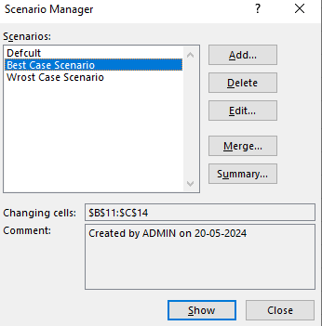

Predicted Sales Growth |  |  |  | You can use the Scenario function to know the best case scenario and wrost case scenario
North | 5.00%
East | 3.00%
West | 5.00%
South | 3.00%

